Summary
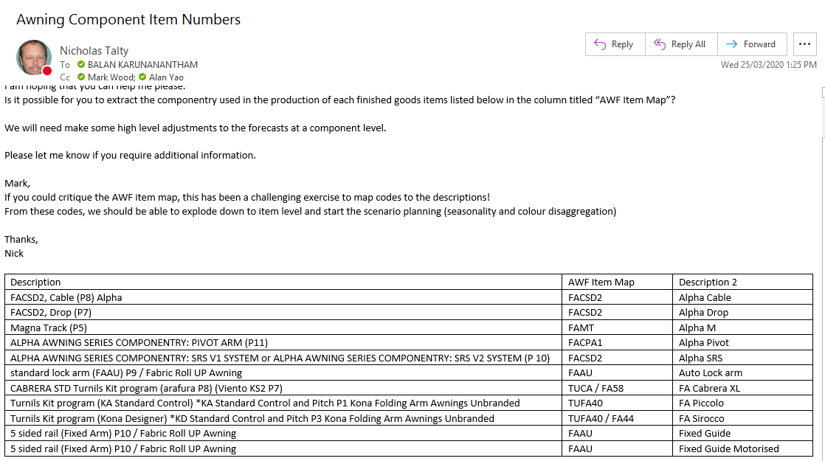
Row Labels | Sum of Jan | Sum of Feb | Sum of Mar | Sum of Apr | Sum of May | Sum of Jun | Sum of Jul | Sum of Aug | Sum of Sep | Sum of Oct | Sum of Nov | Sum of Dec | Total
Alpha Cable | 15 | 7 | 14 | 12 | 28 | 6 | 17 | 2 | 13 | 18 | 12 | 1 | 145
Alpha Drop | 57 | 30 | 25 | 15 | 24 | 13 | 33 | 11 | 50 | 40 | 29 | 22 | 349
Alpha M | 1 | 4 |  | 1 |  |  | 4 | 1 | 2 |  | 2 |  | 15
Alpha Pivot | 1 | 6 | 2 | 1 | 1 | 1 |  | 2 | 2 | 1 | 3 |  | 20
Alpha SRS | 74 | 43 | 75 | 61 | 86 | 69 | 73 | 124 | 214 | 166 | 95 | 38 | 1118
Auto Lock arm | 166 | 116 | 104 | 54 | 50 | 33 | 39 | 44 | 75 | 107 | 113 | 80 | 981
FA Cabrera XL |  | 1 |  |  | 1 |  |  |  |  |  |  |  | 2
FA Piccolo |  | 1 | 2 |  |  | 1 | 2 | 4 | 1 | 2 | 1 | 6 | 20
FA Sirocco | 2 | 2 | 3 | 3 | 7 | 2 | 4 | 1 | 2 | 3 | 7 | 4 | 40
Fixed Guide | 11 | 23 | 8 | 16 | 6 | 13 | 2 | 6 | 12 | 41 | 36 | 7 | 181
Fixed Guide Motorised | 5 | 17 | 19 | 1 | 4 | 3 | 6 | 14 | 10 | 14 | 35 | 6 | 134
Grand Total | 332 | 250 | 252 | 164 | 207 | 141 | 180 | 209 | 381 | 392 | 333 | 164 | 3005

Description |  |  |  |  |  |  |  | AWF Item Map | Description 2
FACSD2, Cable (P8) Alpha |  |  |  |  |  |  |  | FACSD2 | Alpha Cable
FACSD2, Drop (P7) |  |  |  |  |  |  |  | FACSD2 | Alpha Drop
Magna Track (P5) |  |  |  |  |  |  |  | FAMT | Alpha M |  |  |  | 2099
ALPHA AWNING SERIES COMPONENTRY: PIVOT ARM (P11) |  |  |  |  |  |  |  | FACPA1 | Alpha Pivot
ALPHA AWNING SERIES COMPONENTRY: SRS V1 SYSTEM or ALPHA AWNING SERIES COMPONENTRY: SRS V2 SYSTEM (P 10) |  |  |  |  |  |  |  | FACSD2 | Alpha SRS |  |  |  | 0.69850249584
standard lock arm (FAAU) P9 / Fabric Roll UP Awning |  |  |  |  |  |  |  | FAAU | Auto Lock arm
CABRERA STD Turnils Kit program (arafura P8) (Viento KS2 P7) |  |  |  |  |  |  |  | TUCA / FA58 | FA Cabrera XL
Turnils Kit program (KA Standard Control) *KA Standard Control and Pitch P1 Kona Folding Arm Awnings Unbranded |  |  |  |  |  |  |  | TUFA40 | FA Piccolo
Turnils Kit program (Kona Designer) *KD Standard Control and Pitch P3 Kona Folding Arm Awnings Unbranded |  |  |  |  |  |  |  | TUFA40 / FA44 | FA Sirocco
5 sided rail (Fixed Arm) P10 / Fabric Roll UP Awning |  |  |  |  |  |  |  | FAAU | Fixed Guide
5 sided rail (Fixed Arm) P10 / Fabric Roll UP Awning |  |  |  |  |  |  |  | FAAU | Fixed Guide Motorised

